Worksheet new
WORKSHEET NO: | 1470 03 | bugatti | DENIM F/S17 | FASTENER |  |  | NL | S | R | I | P | H | Eng | RO | F 1+2 | Can | SLO | IND | CH
SUPP: | 201 | DATE | 2016-06-15 |  | OPEN | VELCRO | 1.0 | 0.0 | 0.5 | 1.5 | 0.0 | 0.0 | 0.0 | 0.5 | 0.0 | 0.0 | 0.0 | 0.5 | 0.5
GROUP | COSMO | DELIVERY |  |  | SNAP | ZIPPER | RK | PD | RB | MI | MOC | RD | MH | PÖ | ML | MZ | SI | PM | LA
STYLE NO: | 1470 | DELIVERY TO: | Fix in Pirmasens |  | BUCKLE |  | 0.5 | 0.5 | 0.5 | 0.5 | 0.5 | 0.5 | 0.5 | 3.0 | 0.5 | 0.5 | 1.0 | 0.5 | 2.0
COMBINATION : | Combi.03 | ARTICLE |  | * | LACES |  | KEY: |  | x = Keyartikel |  |  | 1.0 |  |  |  | SI 1 Pair to AGRA/BALORE
LAST/ SIZE | COSMOPH8321A42 | CODE | K4301-6-100 |  | SLIP ON |  | Total: |  | 15.5 |  |  | 14.5 |  |  |  | in PS latest 18.07.16
EAS from OLAP: | 13 HERREN SCHNURER | ORDER NO: |  |  | SLIP ON BOOT
UPPER | Material |  | COLOR | SUPPLIER |  |  | Remark
1 | FLYKNIT |  | BLACK | 201
2 | COW SUEDE |  | BLACK | 201
3 | BINDING COTTON |  | BLACK | 201
4 |  |  |  |  |  |  | THREAD BLACK/Z0040
TONGUE LABEL YST-9882 RED/WHITE
LINING material |  | colour
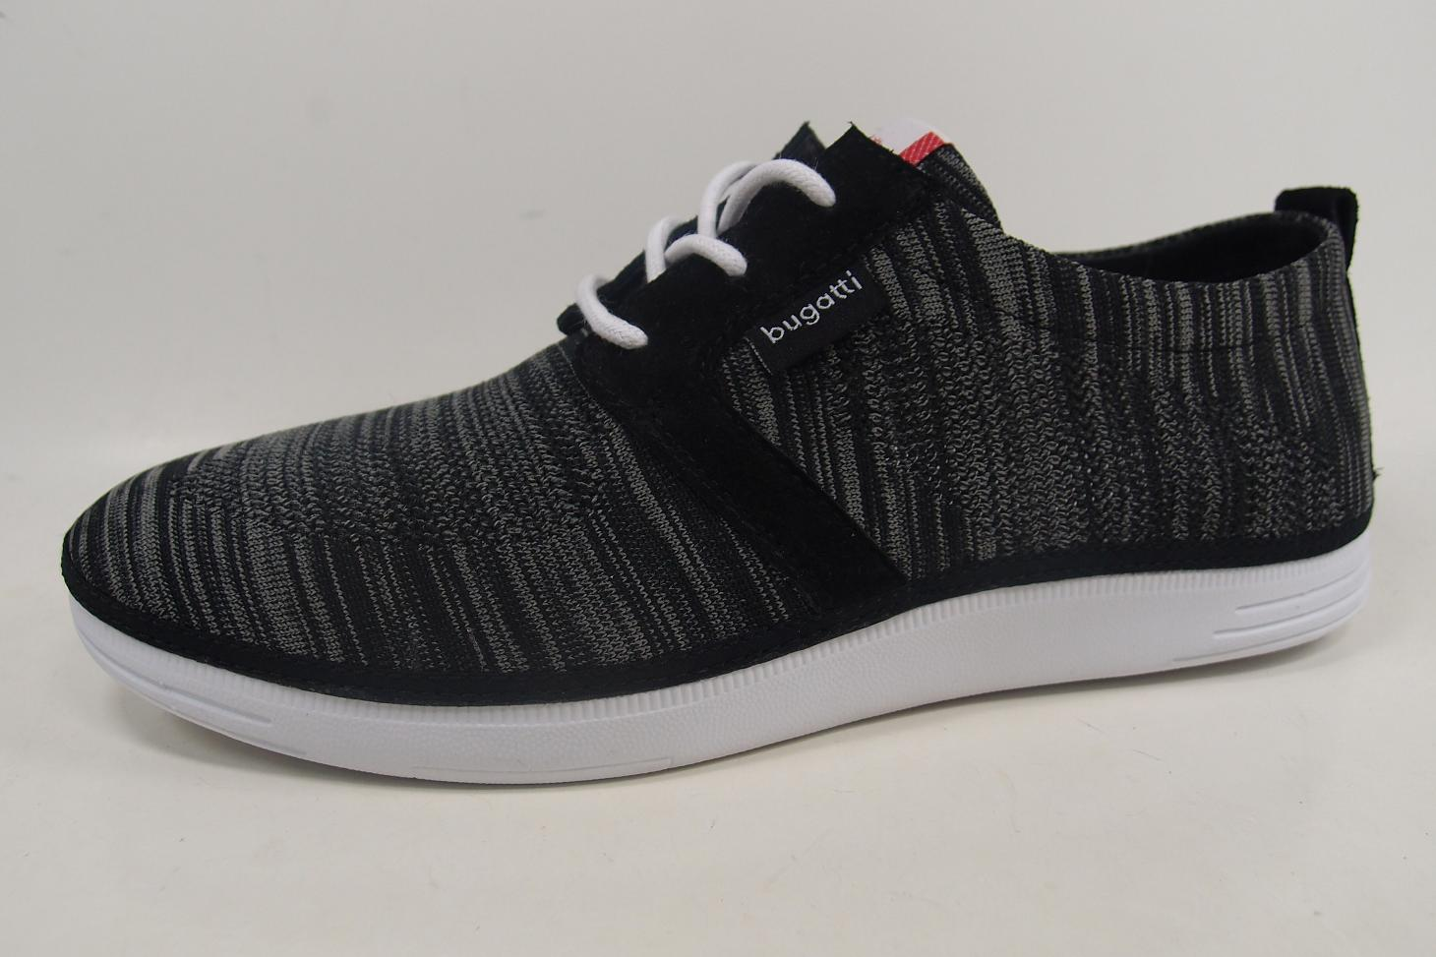
Supplier |  | Composition
BORDER material | PIG SKIN | colour | BLACK
Supplier | 201
TEXTILE LABEL BLACK/WHITE
2
LINING warm (yes/no) |  | EVA CUP (yes/no)

INSOCK material | EVA/TEXTILE | colour | RED
Supplier | RONG HI | Composition | EVA/TEXTILE
LABEL INSOCK |  | colour
1
INSOCK warm (yes/no) | NO | removable (yes/no) | NO

2
1
OUTSOLE /NAME | COSMO | OUTSOLE /colour | WHITE
Material | PHYLON | Supplier | CHI SIN
INSOLE |  | Supplier
GUN METAL RIVET
3
BLACK STITCHING
SIDE LOGO | BUGATTI LABEL | HEEL HEIGHT
LACES /ELASTIC | 5 MM ROUN WAXED | colour | WHITE
EYELETS |  | colour
STITCHING | TKT 20 BLACK | HAND STITCH.
DECO STITCHING |  | EMBROIDERY
FINISH |  | LAST WIDTH | NORMAL
COUNTER STIFFENER |  | TOE PUFF
UPPER HEIGHT |  | UPPER WIDTH
HANG TAG | GENIAL LIGHT | BUCKLE / VELCRO
 |  | colour

